Power Interest Chart
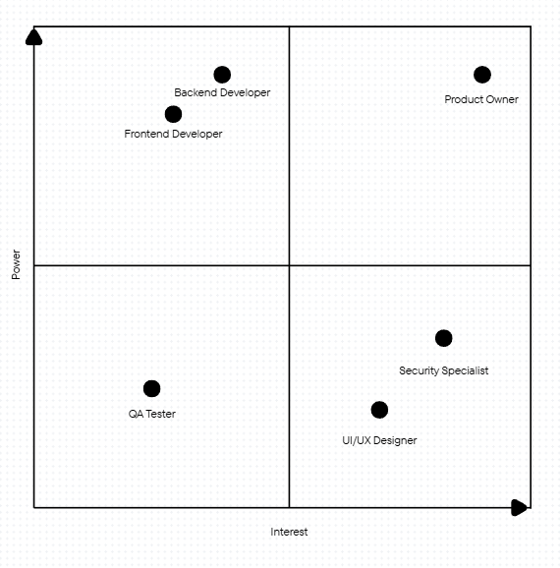

Team Charter
Mission | Scope | Goals
Everyone covers the multiple aspects of the project development | Create a stocks and bonds management software package that includes stock tracking/trading, bank integration, and secure transactions | Create a profitable app that allows users to furfill and perform all of their stock trading needs and tasks
Strengths and Skills | Roles and Responsibilities | Metrics for Success
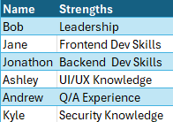 | 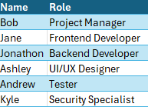 | Functionality requirements provided by the product owner
Values | Norms | Fun
Teamwork, Communication, Respect, Honesty | Meet up regularly for discussion and progress tracking | After Meeting/Milestone Hangouts and Parties
Communication Plans and Tools

Project Charter
Project Title
Stocks and Bonds Management Software Project
Problem | Business Case | Goal
The software currently available doesn't meet our functionality needs | This software package could generate revenue while furfilling stock trader needs | Create a software package that can perform all desired functions
Team | Timeline | Scope
 |  | 